Congestion
MSS (B) | 1 | Slow Start |  |  |  | MSS (B) | 1,460 | Additive-Increase / Multiplicative-Decrease
ssthresh (B) | 2 | Step # | CWND Size (B) | Congestion Protocol | Data | W (B) | 14,600 | Step # | CWND Size (B) | Acknowledgment | Data
Data (End with \) | ABCDEFG | 1 | 1 | SS | A | Data (End with \) | a83b5d97\ | 1 | 14,600 | Good | a83b5d97\
 |  | 2 | 2 | SS | BC |  |  | 2 | 14746 | Good
 |  | 3 | 4 | CA | DEFG |  |  | 3 | 14892 | Good
 |  | 4 | 5 | CA |  |  |  | 4 | 15038 | Good
 |  | 5 | 6 | CA |  |  |  | 5 | 15184 | Good
 |  | 6 | 7 | CA |  |  |  | 6 | 15330 | Good
 |  | 7 | 8 | CA |  |  |  | 7 | 15476 | Good
 |  | 8 | 9 | CA |  |  |  | 8 | 15622 | Good
 |  | 9 | 10 | CA |  |  |  | 9 | 15768 | Good
 |  | 10 | 11 | CA |  |  |  | 10 | 15914 | Good
 |  | 11 | 12 | CA |  |  |  | 11 | 16060 | Loss
 |  | 12 | 13 | CA |  |  |  | 12 | 8030 | Loss
 |  | 13 | 14 | CA |  |  |  | 13 | 4015 | Loss
 |  | 14 | 15 | CA |  |  |  | 14 | 2008 | Loss
 |  | 15 | 16 | CA |  |  |  | 15 | 1004 | Loss
 |  | 16 | 17 | CA |  |  |  | 16 | 502 | Loss
 |  | 17 | 18 | CA |  |  |  | 17 | 251 | Loss
 |  | 18 | 19 | CA |  |  |  | 18 | 126 | Loss
 |  | 19 | 20 | CA |  |  |  | 19 | 63 | Loss
 |  | 20 | 21 | CA |  |  |  | 20 | 32 | Loss
 |  | 21 | 22 | CA |  |  |  | 21 | 16 | Loss
 |  | 22 | 23 | CA |  |  |  | 22 | 8 | Loss
 |  | 23 | 24 | CA |  |  |  | 23 | 4 | Loss
 |  | 24 | 25 | CA |  |  |  | 24 | 2 | Loss
 |  | 25 | 26 | CA |  |  |  | 25 | 1 | Loss
 |  | 26 | 27 | CA |  |  |  | 26 | 1 | Loss
 |  | 27 | 28 | CA |  |  |  | 27 | 1 | Loss
 |  | 28 | 29 | CA |  |  |  | 28 | 1 | Loss
 |  | 29 | 30 | CA |  |  |  | 29 | 1 | Loss
 |  | 30 | 31 | CA |  |  |  | 30 | 1 | Loss
 |  | 31 | 32 | CA |  |  |  | 31 | 1 | Loss
 |  | 32 | 33 | CA |  |  |  | 32 | 1 | Loss
 |  | 33 | 34 | CA |  |  |  | 33 | 1 | Loss

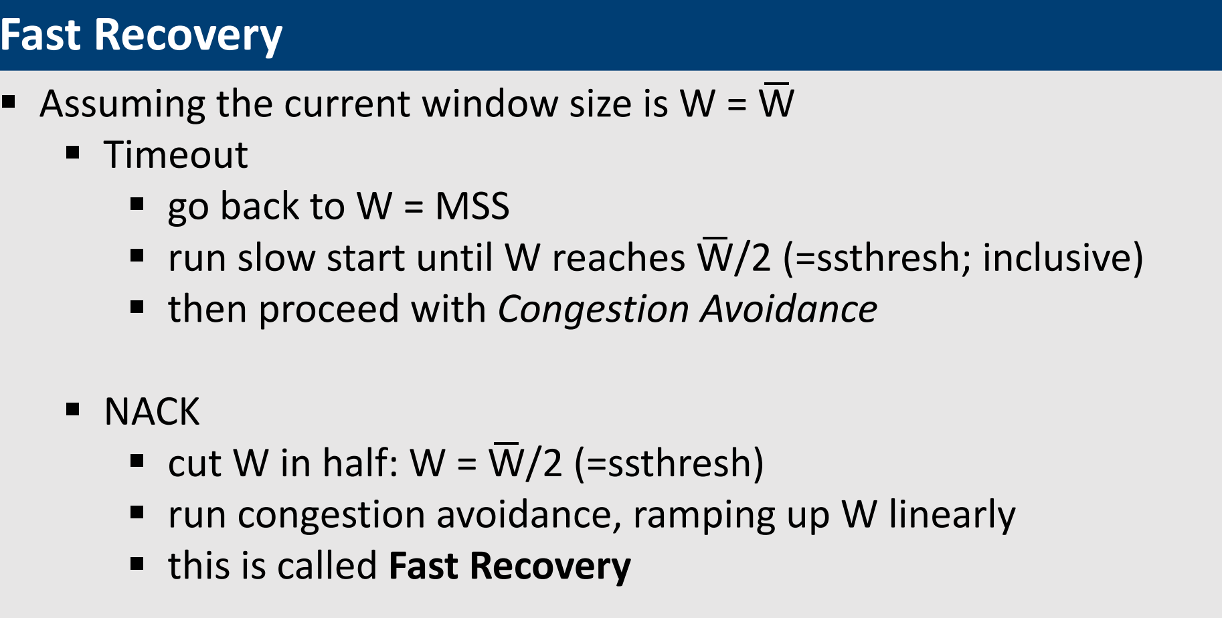
(Too lazy to do fast recovery)

Misc
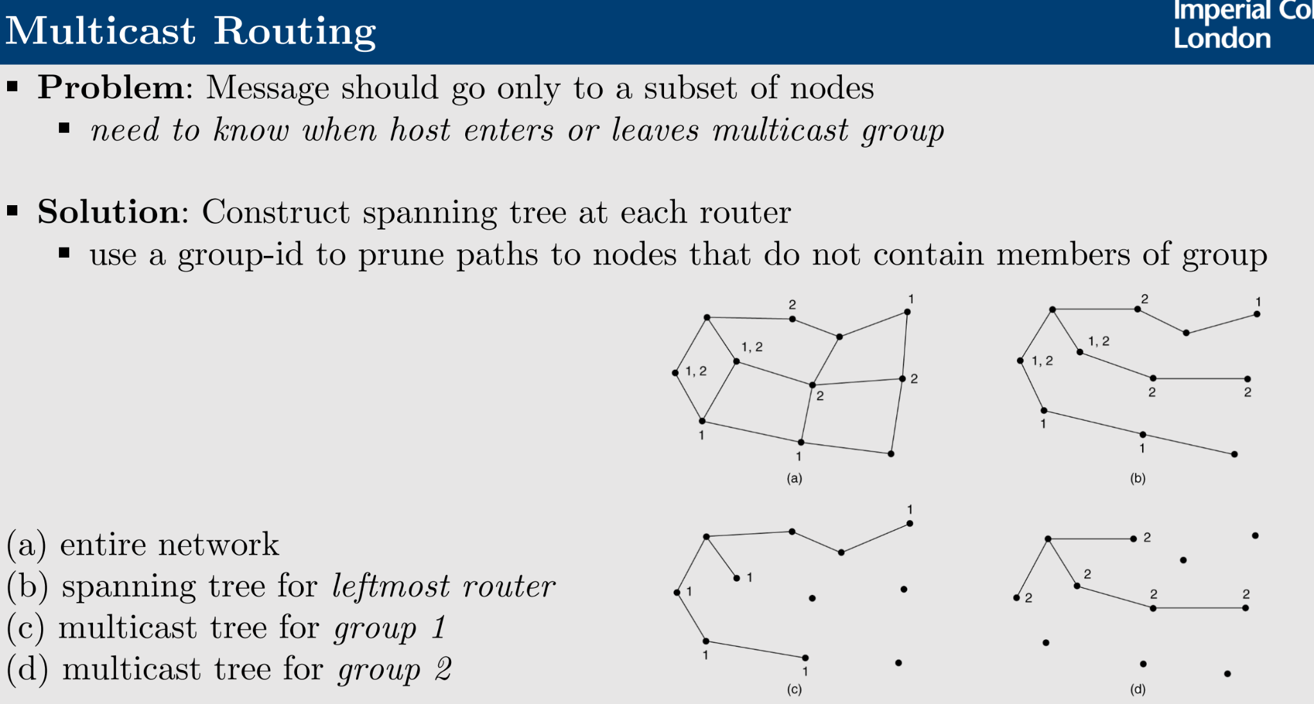
 | Distance Vector Routing | Link State Routing | Broadcast Routing
Network Knowledge | Local | Global | Reverse-path Forwarding (RPF) broadcast
Computation | Global | Local | very router forwards/broadcasts a packet to every adjacent router, except where it came from
Synchronisation | Gradual | “Instant“ (after SPR calculation) | routers accept broadcast packet p originating at router A, only if p arrives on a link that is on a direct (unicast) path between themselves and A

